Compilation - EMA publication
Official address Domenico Scarlattilaan 6 ● 1083 HS Amsterdam ● The Netherlands
Address for visits and deliveries Refer to www.ema.europa.eu/how-to-find-us
Send us a question Go to www.ema.europa.eu/contact Telephone +31 (0)88 781 6000
An agency of the European Union

07/XX/2026

Submission of comments on |  |  | Reflection Paper on investigation and assessment of cardiovascular safety of anticancer medicinal products'
(EMA/CHMP/8699/2026)

Please note that these comments and the identity of the sender will be published unless a specific justified objection is received.
When completed, this form should be sent to the European Medicines Agency via the EU survey, in Excel format (not PDF).
Columns A to D should mandatorily be filled in prior to completing the columns "Comment and rationale" and/or "Proposed changes / recommendation". The "Outcome" column should not be completed. For more details on how to use this template please refer to the tab "Manual for commenter".

Name of organisation or individual* | General or Specific comment* | Line from* (line nr. or 0 for general comment) | Line to* (line nr. or 0 for general comment)2 | Comment and rationale (to go to next line within the same cell use Alt + Enter) | Proposed changes / recommendation (if applicable - to be used if you want to propose specific text changes) | Outcome (To be completed by the Agency)
LUNGevity Foundation | Specific | 46 | 49 | We suggest also including not only the intended place in therapy (i.e., adjuvant versus non-adjuvant) but also consideration for the line of therapy, in regards to first line versus third line. As noted above, if there is a likelihood of previous exposures that would increase cardiovascular risk, a therapy in the third line versus the first line will have a higher likelihood of CV toxicity manifesting.
LUNGevity Foundation | Specific | 54 | 57 | We ask for consideration if clinical evaluation of the QT/QTc interval prolongation in low-cardiac risk category anticancer products is necessary. An analysis of 8,518 ECGs in phase I anticancer studies found that none of the ECGs performed predicted a cardiac event and that prolonged QTc intervals did not lead to arrhythmic events. The study authors recommend more modest use of ECG monitoring in studies. Therefore, justification of this recommendation is needed.
LUNGevity Foundation | Specific | 96 | 97 | As noted in our manuscript, Expanding Access to Lung Cancer Clinical Trials by Reducing the Use of Restrictive Exclusion Criteria: Perspectives of a Multistakeholder Working Group (which included EMA members), there should be a distinction in exclusion criteria for how long ago previous cardiovascular events (e.g., acute MI, CHF, CVA, TIA) occurred rather than simply whether or not a patient has had an event. Per an FDA analysis, ~55% of lung cancer trials have implemented a previous MI or cardiac event within 3 or 6 months before randomization as an exclusion criterion (60% 3 months, 40% 6 months) and CVA including TIAs within 3 or 6 months before randomization (89% of trials). However, data have not strongly favored 3 months versus 6 months as an exclusion criterion, and therefore a strong rationale for the given time window for exclusion should be provided by the sponsor.
LUNGevity Foundation | Specific | 100 | 104 | We agree on a risk-based approach for inclusion and exclusion of patients with pre-existing CV conditions. We suggest the addition of examples of what constitutes "appropriately justified based on identified safety concerns" as "appropriate" could be interpreted differently by different stakeholders. Further, we support alignment with FDA's final guidance in July 2020 on Cancer Clinical Trial Eligibility Criteria: Patients with Organ Dysfunction or Prior or Concurrent Malignancies. This guidance noted that sponsors should determine whether a maximum QTc interval is necessary as a clinical trial eligibility criterion based on whether there is a specific known risk of QTc prolongation, either through nonclinical (e.g., hERG) or clinical trial data, rather than defaulting to inclusion of this criterion.
LUNGevity Foundation | Specific | 113 | 114 | As noted above, previous CV disease should be further stratified by the recency.
LUNGevity Foundation | Specific | 114 | 120 | We are concerned for the recommendation to incorporate genetic screening into inclusion/exclusion criteria, given the heterogeneity in accessibility of these tests, and potential delays to enrollment while waiting for these test results. The need for these tests at screening should be appropriately justified, particularly if these tests are not conducted in routine care in the target population. As noted in the guidance, creating additional screening measures and exclusion criteria may result in a trial population that does not reflect the target population and therefore a biased safety profile.
LUNGevity Foundation | Specific | 120 | 126 | As noted on line 124, the proposed additional techniques are not part of routine clinical assessments. While we support the use of advanced imaging techniques when necessary (in a risk-based approach) we are concerned that implementing additional, advanced technologies puts additional burdens on patients as well as sites. Trial participation may be limited if the technologies are not available at the sites, especially smaller, community sites, or require significant travel for patients. Additionally, given that these assessments are not likely to be conducted in the real-world patient population, there is concern that the clinical trial population, selected based on these advanced screening measures, may not be reflective of the intended use population.
LUNGevity Foundation | Specific | 132 | 135 | We agree with a risk-based approach to long-term monitoring. Given that late-onset events may occur years after completion of therapy, we support that these data be captured in post-marketing studies, rather than the initial clinical trial, to not delay efficacious therapies to market. Post-market studies should have an adequate way to follow patients for these events, in a way that is not overly burdensome, given that they may be followed for years.
LUNGevity Foundation | Specific | 188 | 190 | Literature has shown that CTCAE data cannot fully capture the patient experience with the safety and tolerability of a drug. In addition, we support the use of targeted patient-reported outcomes (PROs) relevant to cardiovascular health to be included, as the addition of PROs can provide a valuable perspective and a more complete assessment of the impact of a therapy than CTCAE alone.
LUNGevity Foundation | Specific | 196 | 199 | As noted in previous comments, we are concerned with the encouragement of use of advanced imaging or technologies that are outside of clinical care, such as those necessary to determine subclinical events. While this may be the gold standard for comprehensive assessment, it should be stressed that a risk-based approach on the level of comprehensivity needed is advised.
LUNGevity Foundation | Specific | 233 | 235 | We agree on the importance of continuous CV safety monitoring, so long as such monitoring does not unnecessarily place inordinate burden on trial participants. The frequency of procedures used for monitoring, as well as the specific types of procedures themselves, should be appropriately tailored, taking into account any known cardiological safety signals (or lack thereof) of the specific agent under study and/or the drug class to which it belongs.
LUNGevity Foundation | Specific | 243 | 246 | We support noninvasive real-time monitoring through wearables. However, there can be heterogeneity in access to wearable devices and technology literacy, therefore we support inclusion of language that reiterates that access to these technologies should be considered in trial design.

Manual for commenter
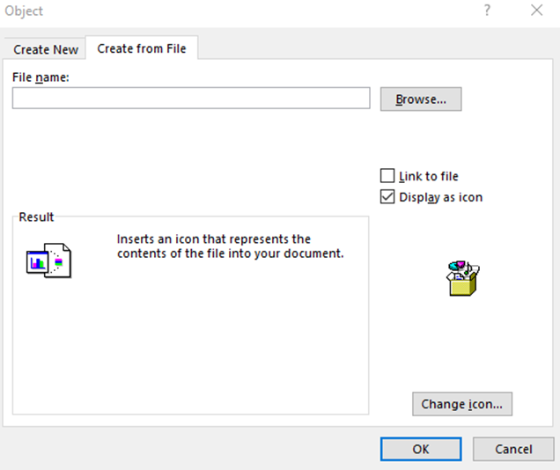
2 April 2025

Guidance on using the EMA comments submission template
User Manual

How to submit comments with this template?
Dear commenter,
Thank you for using the proposed template. It will make the review of your comments by the drafting team much easier.
This template is easy to use. However, you may find the following recommendations useful.
• The main difference when writing in Excel compared to Word is that to start a new paragraph within a cell, you should press Enter + Alt. If you press Enter only you will go to the cell below.
• Another difference is that the cells can be set up so that certain characters are not allowed, or a cell cannot be filled in if another hasn’t been filled in previously.
More details about each column follow:
▪ column A “Name of organisation or individual*”: this is set up as free text. Please repeat the name on each row to facilitate consolidation of comments.
▪ column B “General or Specific comment*”: this is set up as a drop-down list, please select the corresponding option.
▪ column C “Line from*”: this is set up to allow numbers only. If you want to submit a general comment, 0 (zero) will automatically be entered when you select "General" in column B.
▪ column D “Line to*”: see column C. If your comment applies to a single line, repeat the number of column C.
▪ column F “Comment and rationale”: this column has been set up as wide as possible to allow long comments (up to 32,767 characters). Please note that an error message will appear if you try to add a comment without the line number(s) completed.
▪ column G “Proposed changes / recommendation (if applicable)”: See column F.

Additional tips

How to format your comment/part of your comment?

To format the whole text within a cell you may select the cell and apply the desired format.
If you want to format only part of your comment (e.g. change the font colour, write a few words in italic, bold, or strike a few words through), you should select these words specifically.

How to make a comment that isn’t a text?

To make a comment that isn’t a text, e.g. submit a table, a graph, or send a publication as PDF, you are invited to embed a document (Word or other as appropriate) to the Excel cell.

To embed a document: Select the cell into which you want to insert your file. Go to the "Insert " tab in your menu options and take note of the options in the "Text" section. Click "Object" and "Create from File " to open your computer files. Navigate to your saved document. Click "OK" to insert the document.

The content of the document will be copied in the cell unless you click on “display as icon”. You can also embed illustrations or any other formats.

